Dashbord
Gen Z - Career Aspirations Data
Responses

Gen Z Aspirants 76% of Will not work in a company whose mission is misaligned with their public actions & 24% of aspirants work in the Company.
Gen Z More Learning Preference is Self-Learning In Company (50%) & Less preference is Trial & error (1%).
Gen Z Aspirants are influenced by 33% by their parents and 9% by Social media about their career aspirations.
Gen Z aspirants are more prepared for a career in Designing (41%) and less prepared for Entrepreneur (1%).
Gen Z Aspirants are happier to pursue higher education around (45%) and other around (20%) are any sponsor who is ready to do PG.
Gen Z is more prepared for Work Environment Remote Travel(31%) and less prepared is Remote(6%).
Gen Z more Prepared Work Setup works with less than 6 people in the team (57%) less Prepared works alone and more than 10 people in the team (1%).
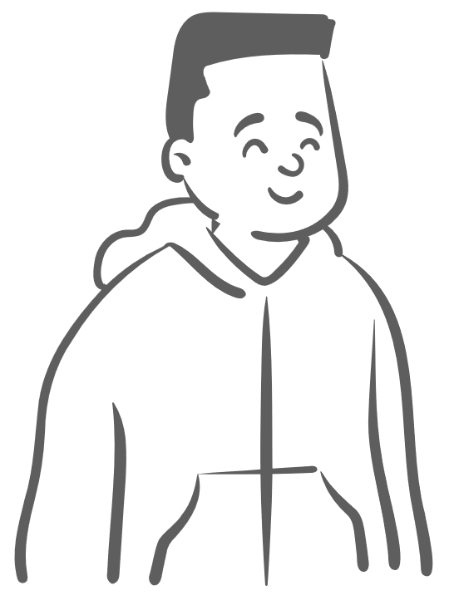


1041
711

Influncers
 | Total
Influencers who had successful careers | 315
My Parents | 572
People from my circle, but not family members | 288
People who have changed the world for better | 414
Social Media like LinkedIn | 164
Pursue Higher Education
 | Total
if sponsor | 391
No | 561
yes | 801
Learning Preparences
 | Total
Trial& Error & Learn | 12
Observing &Learn | 134
Self Learning | 189
Expert Learning | 544
Self Learning In Company | 874
How likely is that you will work for one employer for 3 years or more
 | Total
No way | 68
If good Company I will Work | 1023
Yes | 639

Career Aspiration
 | Total
Enterprenuer | 1
Content Creater | 3
Business Processer | 3
Freelancer | 5
Data Analyser | 10
Designing + Developing | 17
Developer Team | 36
Project Manger | 55
Teacher | 83
Business Operation | 106
Designing | 226
Would you work for a company whose mission is not clearly defined and publicly posted
 | Total
No | 1260
Yes | 493
Work Setup
 | Total
Work alone, Work >10 people in Team | 10
Work <67 people in team | 41
Work alone | 88
Work Alone, <=6 in team | 124
Work >=7 People in the Team | 148
Work >10 people in Team | 266
Work <=6 People in the Team | 967
Work Environment
 | Total
Office | 340
Remote | 101
Remote + Travel | 502
Hybrid + <15 in Office | 257
Hybrid +>15 in office | 407

